Table of contents
Selected operational and financial data by business segments

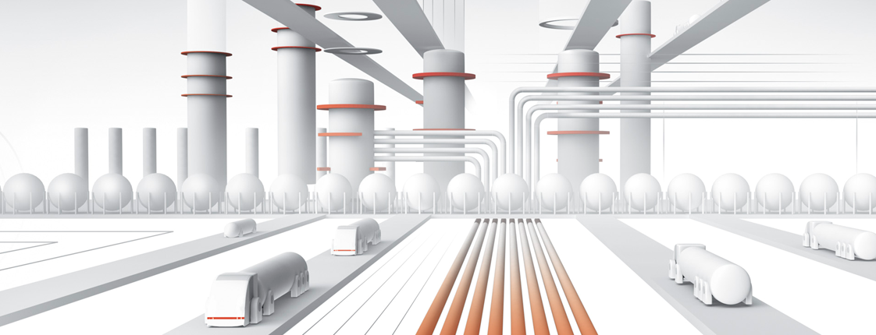
Table of contents

Macroeconomic situation
 | Margins
 | Exchange rates
 | Fuel consumption

Selected financial data
 | Key financial data
 | EBITDA, EBIT, Depreciation
 | Refining
 | Petrochemical
 | Energy
 | Retail
 | Upstream
 | Corporate functions
 | P&L
 | Balance sheet
 | CashFlow

Selected operating data
 | Production
 | Sales
 | Energy_Upstream

Historical data
 | Key financial data '13-'19
 | EBITDA, EBIT, Depreciat. '13-'19
 | Downstream '13-'19
 | P&L '13-'17
 | P&L '18
 | Balance sheet '13-'15
 | Balance sheet '16
 | Balance sheet '17-'18
 | CashFlow '13-'15
 | CashFlow '16-'17
 | CashFlow '18
 | CashFlow '19
 | CashFlow '20
 | CashFlow '21
 | Production '13-'19
 | Sales '13-'19

